GranteeInfo
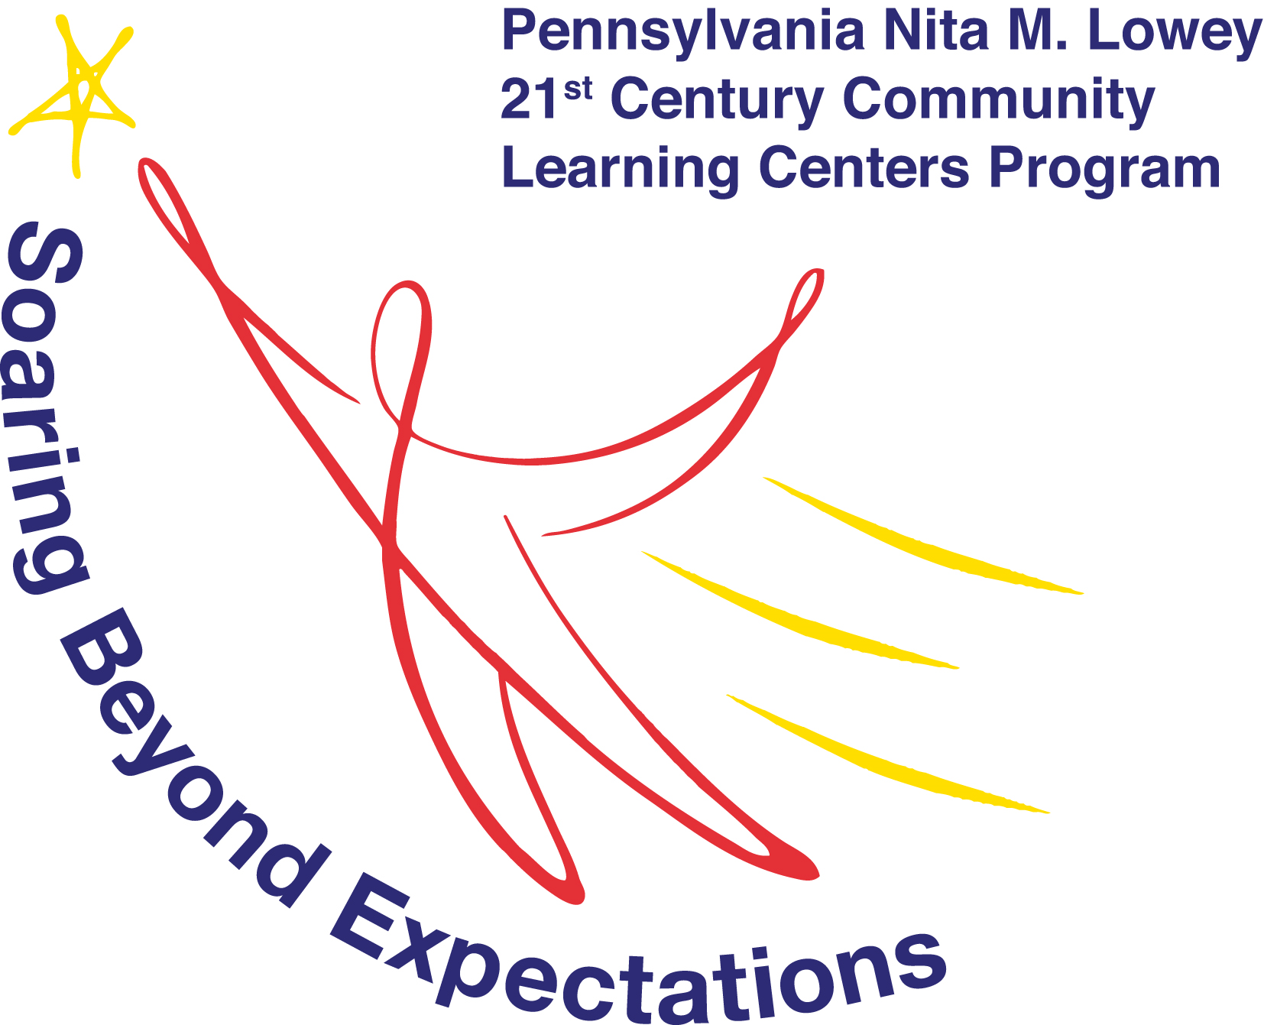
21st CCLC Quarterly Performance Report - Summer 2020/School Year 2020-21 All Cohorts
Grantee Information
Grantee Name
Cohort
FC#41000

Name of agency/district with fiscal and contractual responsibility

County(ies)
Enter up to 10.
If you serve more than 10, attach a separate sheet.
 |  |  | Funded in full or in part with a grant by the Pennsylvania Department of Education

Please enter the total number of unduplicated students your program proposed to serve in your application for 21st Century funds during this program year.
 | Total # of Unduplicated Students listed on Site Location Summary and Abstract form(s)* |  | *This count reported should be the Sum of all unduplicated counts from All your grant’s Site Location and Summary Abstract forms. Older form location is Item J in the third column. Newer forms show this in the first chart in the form, in the third/last column.

Unique program name, if different from the grantee name:

Please indicate (with an 'X') those populations that your program is actively recruiting for 21st Century programming, if any. Select all that apply.
This is not asking if students from these groups participate, but rather if the program is specifically seeking out participation from specific demographic groups.
 | Academically At-Risk
 | English Language Learners (ELL)/ESL
 | Homeless
 | Low-Income (based on Free/Reduced Lunch Criteria)
 | Migrant
 | Refugee
 | Other, please specify:

Please classify your on-site program type. Select all that apply. (Mark with an 'X')
During the Summer:
Weekday
Evening
Weekend
During the School Year:
Before School
During School |  | During school is allowable only for adult family members and for pre-K activities during the six months prior to the students' first day of kindergarten.
After School
Weekend

 | Summer 2020 | School year 2020-21
Number of Program Sites (Centers) operating during this program year.

Do you expect to meet the program operations requirement to operate at least 36 school year weeks during the contract year? Mark with an X the ONE answer that best reflects your operations status. | Yes
 | No
 | Grantee has PDE approval to operate fewer than 36 weeks

If approved for a Competition within a Competition Grant (SEL, Drug and Alcohol Prevention) enter award amount: (leave blank if not awarded)
Annual Cohort Approved Budget Amount
Total Annual Approved Budget Amount: |  | $0.00

